Dashboard
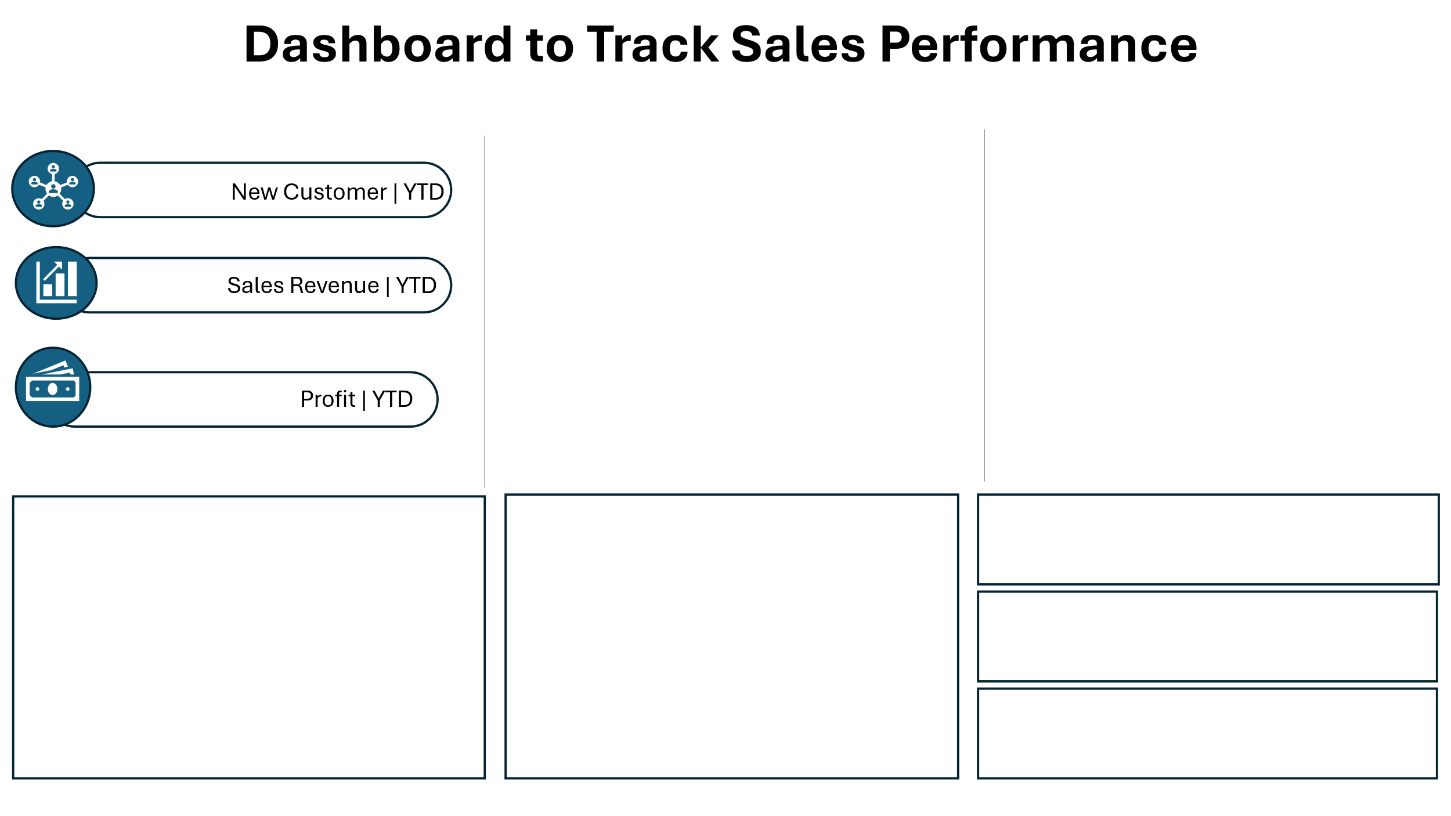

Monthly Sales Revenue
 | Total
Jan | $43.00M
Feb | $39.76M
Mar | $44.17M
Apr | $43.87M
May | $50.76M
Jun | $42.52M
Jul | $46.55M
Aug | $46.62M
Sep | $40.61M
Oct | $46.31M
Nov | $44.08M
Dec | $45.43M
SALES BY YEARS
 | Total
2023 | $63,972,031.65
2024 | $271,480,204.45
2025 | $198,213,788.25

Revenue By Category
 | Total
Beauty | 51M
Books | 55M
Clothing | 55M
Electronics | 53M
Furniture | 57M
Groceries | 48M
Home Decor | 57M
Kitchen | 54M
Sports | 52M
Toys | 52M

1.87K

$39.48M

$29.82M

Top 5 Customers
 | Total
Aaryahi Madan | $650,151.90
Adira Dhingra | $479,389.00
Badal Rao | $485,698.00
Kimaya Vala | $490,935.00
Sumer Mann | $469,937.00
Profits by Cities
 | Total
Thiruvananthapuram | $3M
Hyderabad | $3M
Coimbatore | $4M
Ahmedabad | $4M
Kolkata | $4M
Mumbai | $4M
Chennai | $4M
Pune | $4M
Delhi | $4M
Goa | $4M
Bhubaneswar | $4M
Ranchi | $4M
Patna | $4M
Amritsar | $4M
Surat | $4M
Jaipur | $4M
Chandigarh | $4M
Bangalore | $4M
Guwahati | $4M
Lucknow | $5M
Sales Made By Payment Mode
 | Total
UPI | $102M
Debit Card | $105M
Credit Card | $106M
COD | $109M
Net Banking | $111M
sale performance by region
 | Total
East | $135,811,637.95
North | $143,578,246.10
South | $123,230,166.95
West | $131,045,973.35

Summary
Summary
Total Orders: 5,000
Time Period Covered: October 2023 → October 2025
Total Sales Revenue: ≈ 533.7 million
Total Profit: ≈ 79.7 million
The dataset represents a large, multi-year ecommerce operation with strong sales volume and healthy profitability.
Sales & Profit Performance
The business is highly profitable, with profit forming a solid portion of total sales.
Discounts are frequently applied, indicating:
Competitive pricing strategies
Possible use of promotions to drive volume
Sales are driven by high unit prices combined with multi-item orders.
Product & Category Insights
Top-Performing Category (by Sales): 🏆 Home Decor
Other categories (like Clothing and Accessories) contribute steadily but are not the main revenue drivers.
Product sub-categories and individual products vary widely in price, suggesting:
A mix of premium and mid-range items
Cross-selling opportunities
Regional Performance
Best-Performing Region: 🏆 North
Sales are distributed across North, West, South, and East, showing:
Good national market coverage
Stronger customer concentration in the North
Cities like Surat, Goa, Chennai, Ranchi, etc., appear frequently, showing strong urban demand.
Customer & Order Behavior
Orders are well distributed across customers, not dominated by a single buyer.
Customers often purchase multiple quantities per order, increasing order value.
Repeat product names suggest:
Consistent demand for certain popular products
Payment Trends
Multiple payment modes are used:
UPI
Debit Card
Net Banking
Cash on Delivery (COD)
This indicates flexible payment options, improving customer conversion.

Answer 1- 2
1 | What are our top-performing products or services?.

 | Products | Sum of Sales
 | Home Decor | $57,233,222.35
 | Furniture | $56,647,187.90
 | Clothing | $55,053,908.30
 | Books | $54,932,643.00
 | Kitchen | $54,227,902.30
 | Electronics | $52,587,883.95
 | Toys | $52,227,366.45
 | Sports | $52,069,397.25
 | Beauty | $50,803,409.70
 | Groceries | $47,883,103.15
 | Grand Total | $533,666,024.35

2 | What was the total sales revenue in 2024 vs 2025?
TOTAL SALE FOR 2024 & 2025
 | Row Labels | Sum of Sales
 | 2024 | $271,480,204.45
 | 2025 | $198,213,788.25

Answer 3-4
3. How many unique customers purchased in 2024 and 2025?
Number of Unique customer that purchased in 2024 & 2025
Row Labels | Distinct Count of Order ID
2024 | 2532
2025 | 1867
Grand Total | 4399

4. Which region or country had the highest sales?

Sales By Region
Order Date | (All)

Row Labels | Sum of Sales
North | $143,578,246.10
East | $135,811,637.95
West | $131,045,973.35
South | $123,230,166.95
Grand Total | $533,666,024.35

Answer 5
5. Are sales growing month over month?

Month-over-Month Sales Growth
 | Total
Oct
Nov | 3.44%
Dec | -6.42%
Jan
Feb | -7.56%
Mar | 8.65%
Apr | 2.98%
May | 11.39%
Jun | -13.64%
Jul | 12.40%
Aug | -3.00%
Sep | -3.52%
Oct | 5.02%
Nov | -6.66%
Dec | 12.57%
Jan
Feb | -7.52%
Mar | 13.57%
Apr | -4.20%
May | 20.12%
Jun | -18.67%
Jul | 6.48%
Aug | 3.51%
Sep | -22.24%
Oct | -92.33%
Row Labels | Sum of Sales
2023
Oct
Nov | 3.44%
Dec | -6.42%
2024
Jan
Feb | -7.56%
Mar | 8.65%
Apr | 2.98%
May | 11.39%
Jun | -13.64%
Jul | 12.40%
Aug | -3.00%
Sep | -3.52%
Oct | 5.02%
Nov | -6.66%
Dec | 12.57%
2025
Jan
Feb | -7.52%
Mar | 13.57%
Apr | -4.20%
May | 20.12%
Jun | -18.67%
Jul | 6.48%
Aug | 3.51%
Sep | -22.24%
Oct | -92.33%
Grand Total

Answer 6
6. What percentage of sales came from top 3 products?

Sales by Product Category (Top 3 = 32%)
Row Labels | Sum of Sales | Top % of Sales
Home Decor | $57,233,222.35 | 32%
Furniture | $56,647,187.90
Clothing | $55,053,908.30
Books | $54,932,643.00
Kitchen | $54,227,902.30
Electronics | $52,587,883.95
Toys | $52,227,366.45
Sports | $52,069,397.25
Beauty | $50,803,409.70
Groceries | $47,883,103.15
Grand Total | $533,666,024.35

Answer 7
Who are our top 10 customers by revenue?
Top 10 customer by Revenue
Row Labels | Sum of Sales
Aaryahi Madan | $650,151.90
Kimaya Vala | $490,935.00
Badal Rao | $485,698.00
Adira Dhingra | $479,389.00
Sumer Mann | $469,937.00
Nayantara Majumdar | $459,763.50
Prerak Shere | $451,862.40
Bhamini Sane | $441,410.60
Samarth Wagle | $427,715.50
Arhaan Basu | $426,563.60
Grand Total | $4,783,426.50

Calculation
 |  |  | Row Labels | Sum of Sales |  | Row Labels | Sum of Profit |  | Row Labels | Count of Order ID
 |  |  | 2025 | $39.48M |  | 2025 | $29.82M |  | 2025 | 1.87K
 |  |  | Grand Total | $39.48M |  | Grand Total | $29.82M |  | Grand Total | 1.87K
Monthly Sales Revenue

 |  |  |  |  | Row Labels | Sum of Sales |  |  |  |  |  |  | Row Labels | Sum of Sales
 |  |  |  |  | Jan | $43.00M |  |  |  |  |  |  | Aaryahi Madan | $650,151.90
 |  |  |  |  | Feb | $39.76M |  |  |  |  |  |  | Adira Dhingra | $479,389.00
 |  |  |  |  | Mar | $44.17M |  |  |  |  |  |  | Badal Rao | $485,698.00
Row Labels | Sum of Profit |  |  |  | Apr | $43.87M |  |  |  |  |  |  | Kimaya Vala | $490,935.00
2023 | $9,483,302.10 |  |  |  | May | $50.76M |  |  |  |  |  |  | Sumer Mann | $469,937.00
2024 | $40,405,767.81 |  |  |  | Jun | $42.52M |  |  |  |  |  |  | Grand Total | $2,576,110.90
2025 | $29,819,665.00 |  |  |  | Jul | $46.55M
Grand Total | $79,708,734.91 |  |  |  | Aug | $46.62M
 |  |  |  |  | Sep | $40.61M
 |  |  |  |  | Oct | $46.31M
 |  |  |  |  | Nov | $44.08M
 |  |  |  |  | Dec | $45.43M
 |  |  |  |  | Grand Total | $533.67M

Row Labels | Sum of Sales |  |  |  |  |  |  |  |  | Sum of Profit
2023 | $63,972,031.65 |  |  |  |  |  |  |  |  | $79,708,734.91
2024 | $271,480,204.45
2025 | $198,213,788.25
Grand Total | $533,666,024.35

Average Sales By Product

Sales Made By Payment Mode
 |  |  |  |  |  |  | Row Labels | Sum of Sales
 |  |  | Row Labels | Average of Sales |  |  | UPI | $102M
 |  |  | Accessories | $123K |  |  | Debit Card | $105M
 |  |  | Doll | $115K |  |  | Credit Card | $106M
 |  |  | Fiction | $123K |  |  | COD | $109M
 |  |  | Headphones | $126K |  |  | Net Banking | $111M
 |  |  | Lamp | $126K |  |  | Grand Total | $534M
 |  |  | Perfume | $121K
 |  |  | Rice | $117K
 |  |  | Smartwatch | $115K
 |  |  | Sofa | $124K
 |  |  | Tennis Racket | $122K
 |  |  | Grand Total | $121K

sale performance by region

 |  |  |  | Row Labels | Sum of Sales
 |  |  |  | East | $135,811,637.95
 |  |  |  | North | $143,578,246.10
 | Row Labels | Sum of Sales |  | South | $123,230,166.95
 | 2023 | $63,972,031.65 |  | West | $131,045,973.35
 | 2024 | $271,480,204.45 |  | Grand Total | $533,666,024.35
 | 2025 | $198,213,788.25
 | Grand Total | $533,666,024.35
$533,666,024.35 Sales | ytd

Profits by Cities

 |  |  |  |  |  |  |  |  |  |  | Row Labels | Sum of Profit
 |  |  |  |  |  |  |  |  |  |  | Thiruvananthapuram | $3M
 |  |  |  |  |  |  |  |  |  |  | Hyderabad | $3M
 |  |  |  |  |  |  |  |  |  |  | Coimbatore | $4M
 |  |  |  |  |  |  |  |  |  |  | Ahmedabad | $4M
 |  |  |  |  |  |  |  |  |  |  | Kolkata | $4M
 |  |  |  |  |  |  |  |  |  |  | Mumbai | $4M
 |  |  |  |  |  |  |  |  |  |  | Chennai | $4M
 |  |  |  |  |  |  |  |  |  |  | Pune | $4M
 |  |  |  |  |  |  |  |  |  |  | Delhi | $4M
 |  |  |  |  |  |  |  |  |  |  | Goa | $4M
 |  |  |  |  |  |  |  |  |  |  | Bhubaneswar | $4M
 |  |  |  |  |  |  |  |  |  |  | Ranchi | $4M
 |  |  |  |  |  |  |  |  |  |  | Patna | $4M
 |  |  |  |  |  |  |  |  |  |  | Amritsar | $4M
 |  |  |  |  |  |  |  |  |  |  | Surat | $4M
 |  |  |  |  |  |  |  |  |  |  | Jaipur | $4M
 |  |  |  |  |  |  |  |  |  |  | Chandigarh | $4M
 |  |  |  |  |  |  |  |  |  |  | Bangalore | $4M
 |  |  |  |  |  |  |  |  |  |  | Guwahati | $4M
 |  |  |  |  |  |  |  |  |  |  | Lucknow | $5M
 |  |  |  |  |  |  |  |  |  |  | Grand Total | $80M

Calculation 2
 |  |  | Row Labels | Sum of Sales
 | Row Labels | Sum of Sales | May | $50.8M
 | COD | 109M | Jul | $46.5M
 | Credit Card | 106M | Oct | $46.3M
 | Debit Card | 105M | Dec | $45.4M |  | Profit By Cities
 | Net Banking | 111M | Aug | $46.6M |  | Row Labels | Sum of Profit
 | UPI | 102M | Grand Total | $235.7M |  | Amritsar | $4.2M
 | Grand Total | 534M |  |  |  | Bangalore | $4.4M
 |  |  |  |  |  | Bhubaneswar | $4.1M
 |  |  |  |  |  | Chandigarh | $4.4M
Revenue By Category
 |  |  |  |  |  | Guwahati | $4.5M
 |  |  |  |  |  | Jaipur | $4.4M
 |  |  |  |  |  | Lucknow | $4.5M
 |  |  |  |  |  | Patna | $4.1M
 |  |  |  |  |  | Ranchi | $4.1M
Row Labels | Sum of Sales |  |  |  |  | Surat | $4.3M
Beauty | 51M |  |  | Products
Books | 55M |  |  | Row Labels | Sum of Sales
Clothing | 55M |  |  | Accessories Repellendus | $687K
Electronics | 53M |  |  | Bed Tenetur | $671K
Furniture | 57M |  |  | Headphones Accusantium | $857K
Groceries | 48M |  |  | Laptop Similique | $667K
Home Decor | 57M |  |  | Spices Quibusdam | $688K
Kitchen | 54M
Sports | 52M
Toys | 52M
Grand Total | 534M

